How to get the Details
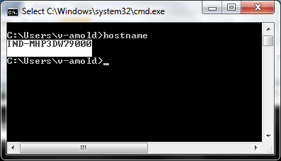
How to get the Host Name

1. Click on Start 2. Type CMD and press Enter 3. Type Hostname

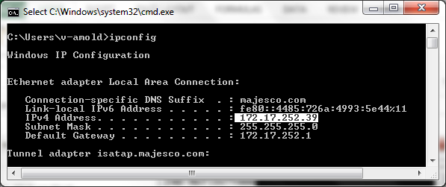
How to get a IP Address
1. Click on Start 2. Type CMD and press Enter 3. Type Ipconfig

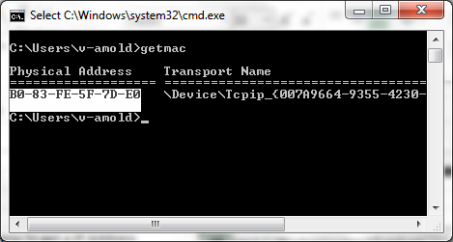
How to get MAC Address
1. Click on Start 2. Type CMD and press Enter 3. Type getmac

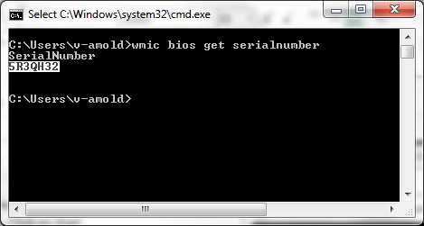
How to get the Seraial No
1. Click on Start 2. Type CMD and press Enter 3. Type wmic bios get serialnumber

